Sheet1
CR -AND | CR-OR | CR- XOR | CR-XNOR | CR-NOT | CR-NOR | CR-Nand | CR-mux | size um² | wavelenght (um) | material | structure type |  | Device fabricated ? | Additional parameters | Comments | Paper Reference Number | drive link
7.26dB | 45.34dB | 8.29dB |  | 18.29dB |  |  |  | 1.0x0.8 | 0.787–0.863 | Au | 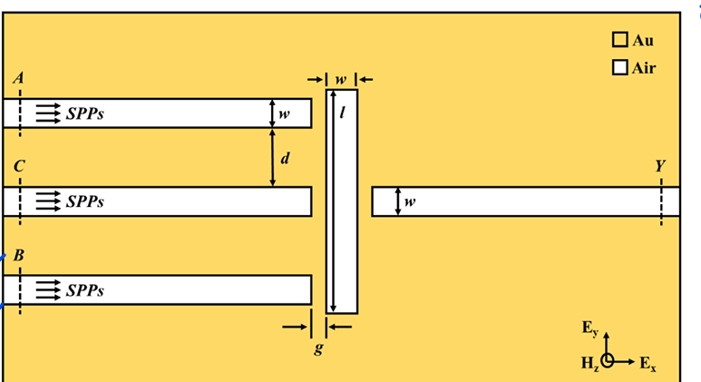 waveguide type |  | No |  | No effort to see the contrast ratio change on changing W.L. | Haque, Mohammad Ashraful, Rummanur Rahad, and Md Omar Faruque. "Optical computing at the subwavelength scale:<? TeX\break?> a multifunctional MIM plasmonic logic gate." Applied Optics 63, no. 24 (2024): 6364-6370.
9.74dB | 17.95dB |  |  |  |  |  |  | 19.8×12.6 | 1.520. | Si | PhC, with MRR | 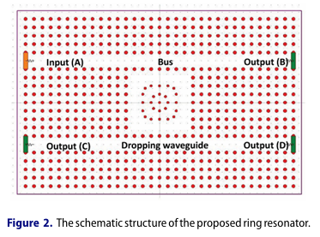 | No |  | Extensive optimization has been carried outin terms of operating frequency, inner rod radius,outer rod radius, Micro RR radius | Mostafa, Tamer S., Nazmi A. Mohammed, and El- Sayed M. El-Rabaie. 2019. “Ultra-High Bit Rate All-Optical AND/OR Logic Gates Based on Photonic Crystal with Multi-Wavelength Simultaneous Operation.” Journal of Modern Optics 66 (9): 1005–16. doi:10.1080/09500340.2019.1598587.
 | 12.36dB |  |  |  | 12.36dB |  |  | 1.075 x1.0 | 1.4 | Ag | 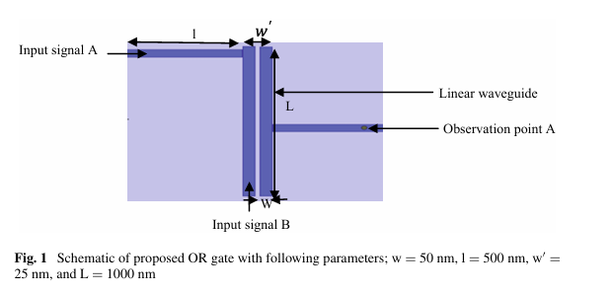 Linear silver waveguides |  | No |  | scope of optimizing the L,W,w' and so on. | Mainka, Sharma, S., Zafar, R., Mahdieh, M.H., Singh, G., Salim, M. (2020). High Contrast Ratio Based All-Optical OR and NOR Plasmonic Logic Gate Operating at E Band. In: Janyani, V., Singh, G., Tiwari, M., d’Alessandro, A. (eds) Optical and Wireless Technologies . Lecture Notes in Electrical Engineering, vol 546. Springer, Singapore. https://doi.org/10.1007/978-981-13-6159-3_35
33.05dB | 10.5 dB | 8.29 dB |  |  |  |  |  | 8.4 × 5.4 | 1.55 | Ag | 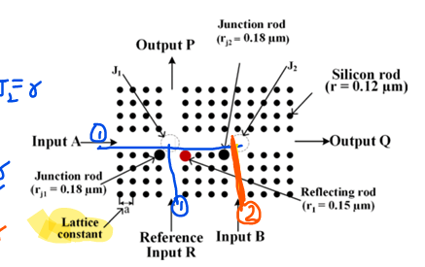 phC |  | No | IL(Insertion loss)=0.067dB.TR =>96%, | optimaization done on (r/a) ratio and RI(refractive index) | Rao, D.G.S., Swarnakar, S., Palacharla, V. et al. Design of all-optical AND, OR, and XOR logic gates using photonic crystals for switching applications. Photon Netw Commun 41, 109–118 (2021). https://doi.org/10.1007/s11107-020-00916-6
 |  |  |  |  |  |  |  | 6x3 | 1.55 | Si | 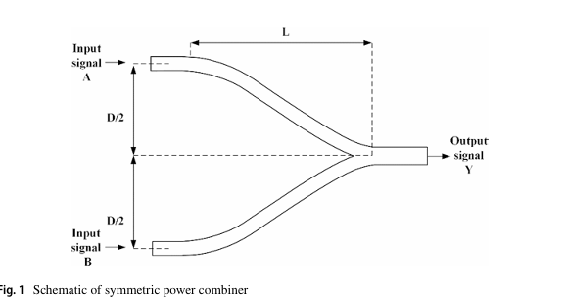 Y- based waveguide |  | No | ER = 27.80dB | D optimzation has been done. Nothing has been specifically said about L optimization. | Pal, A., Ahmed, M.Z. & Swarnakar, S. An optimized design of all-optical XOR, OR, and NOT gates using plasmonic waveguide. Opt Quant Electron 53, 84 (2021). https://doi.org/10.1007/s11082-021-02732-2
 |  |  |  |  |  |  |  |  |  |  | phC |  |  |  |  | Parandin, F., Chimawi, G.I.K. & Olyaee, S. Realization of ultra-compact and high contrast ratio all-optical 4-to-2 encoder based on 2D photonic crystals. Sci Rep 14, 21091 (2024). https://doi.org/10.1038/s41598-024-72266-6
 |  |  |  |  |  |  | 29.66 dB in the presence of select input, and 23.2 dB in absence of select input. | 7.8x9 | 1.55 | Si | 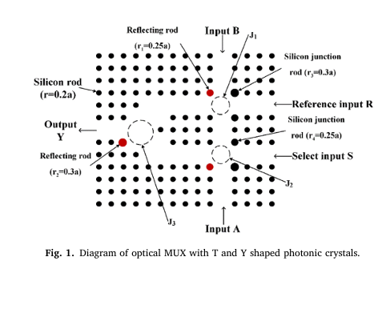 phC |  | No | TR = 92% | RI and rod radius optimized. Value optimization can be done for junction and reflecting rod radius. | Dalai Gowri Sankar Rao, Sandip Swarnakar, Santosh Kumar, Design of photonic crystal based compact all-optical 2 × 1 multiplexer for optical processing devices, Microelectronics Journal, Volume 112, 2021, 105046, ISSN 1879-2391, https://doi.org/10.1016/j.mejo.2021.105046.
 |  |  |  |  |  |  | 5dB | 20μmx20μm | 1.55 | Si | 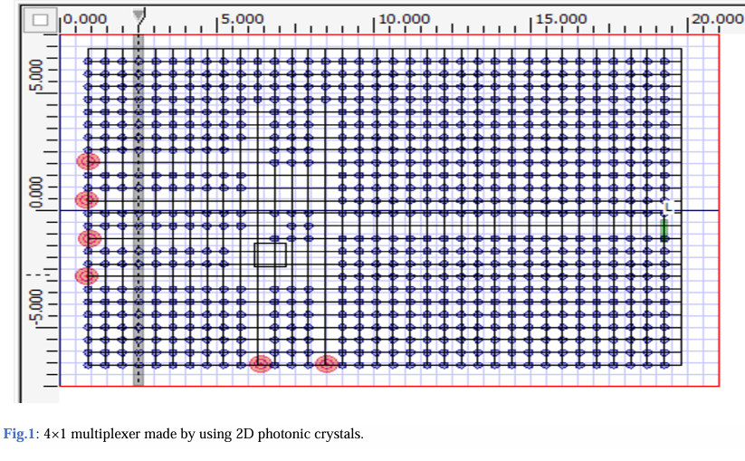 phC |  | No |  | Lattice constant and Si rods radius optimization scope. | Anjum, N., Shukla, A. K., & Nath, V. (2024). Design and Analysis of all Optical Multiplexers using 2D Photonic Crystal. International Journal of Microsystems and IoT, 2(3), 663–669. https://doi.org/10.5281/zenodo.11107841
 |  |  | 15.24 | 15.1 | 15.28 | 14.65 |  | 1x1 | 1.55 | Si | 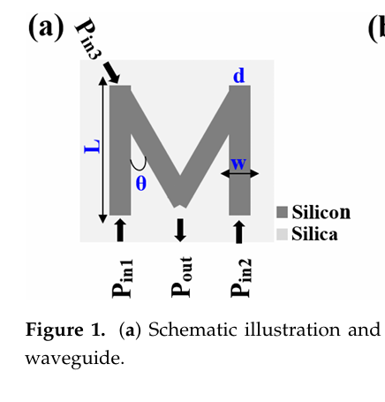 M-shaped wave quide |  | No |  | Extensive optimzation has been done in- theta,w,L and Wavelength. Range of operating wavelength possible = 1.2-1.6 um | Kotb, A.; Zoiros, K.E.; Chen, W. All-Optical XOR, AND, OR, NOT, NOR,NAND,andXNORLogic Operations Based on M-Shaped Silicon Waveguides at 1.55 µm. Micromachines 2024, 15, 392. https://doi.org/10.3390/mi15030392
 |  |  |  |  |  |  | 19.8 | 96.88 µm2. | 1.55 |  | 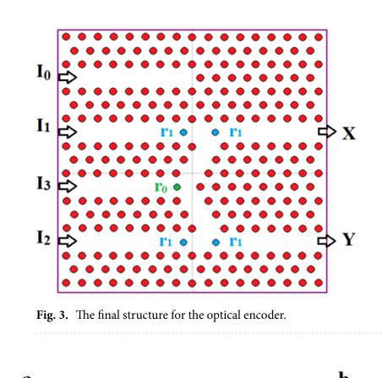 phC |  | No | BR =2Tb/s. Delay = 0.5 ps | λ = 1.28–2.08 µm possible. rod radius has been already achieved. Scope of wavelength optimizartion. Delay state of art is 0.2-0.3; delay optimzation possible | Parandin, F., Chimawi, G.I.K. & Olyaee, S. Realization of ultra-compact and high contrast ratio all-optical 4-to-2 encoder based on 2D photonic crystals. Sci Rep 14, 21091 (2024). https://doi.org/10.1038/s41598-024-72266-6
 |  |  |  |  |  |  |  |  | 1.55 | Si | 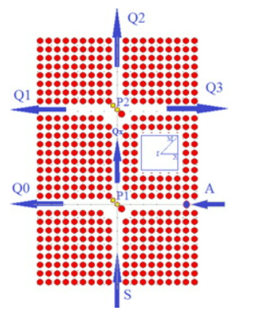 demux |  |  |  |  | http://dx.doi.org/10.1016/j.infrared.2014.12.003

